Area Chart
 | Bears | Dolphins | Whales
2017 | 8 | 150 | 80
2018 | 54 | 77 | 54
2019 | 93 | 32 | 100
2020 | 116 | 11 | 76
2021 | 137 | 6 | 93
2022 | 184 | 1 | 72

Error Handling
ERROR HANDLING

1) | ##### error | Back Home
 | When your cell contains this error code, the column isn't wide enough to display the value
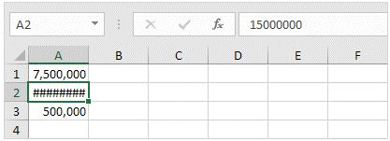

Increase the width of the column

2) | #NAME? error
 | The #NAME? error occurs when Excel does not recognize text in a formula.

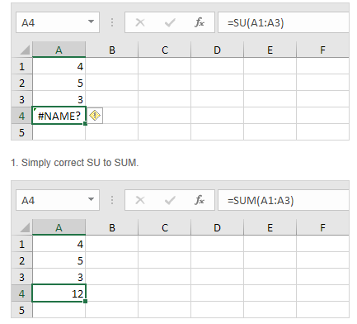

3) | #VALUE! error
 | Excel displays the #VALUE! error when a formula has the wrong type of argument

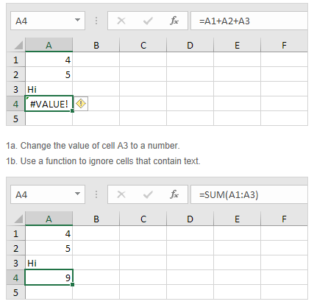

4) | #DIV/0! Error
 | Excel displays the #DIV/0! error when a formula tries to divide a number by 0 or an empty cell.
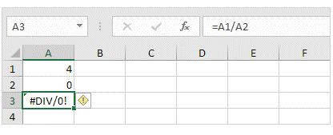

 | `
 | 1b. Prevent the error from being displayed by using the logical function IF or IFERROR.

5) | #REF! error
 | Excel displays the #REF! error when a formula refers to a cell that is not valid.

 | 1. Cell C1 references cell A1 and cell B1.

 | 2. Delete column B. To achieve this, right click the column B header and click Delete.
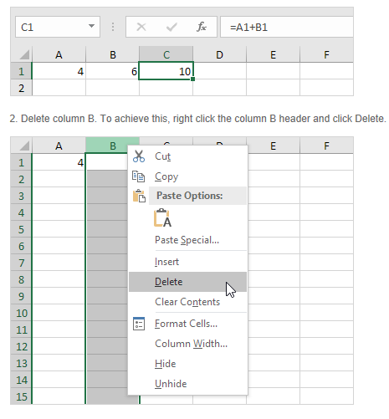

 | 3. Select cell B1. The reference to cell B1 is not valid anymore.

